README
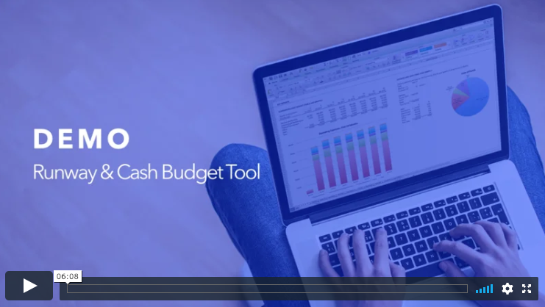
RUNWAY AND CASH BUDGET TOOL

by Foresight
See more models at https://foresight.is
hello@foresight.is / @foresighthq / @tdavidson
Questions, comments, ideas, email hello@foresight.is

License
This model was downloaded at https://foresight.is/runway-cash-forecasting
This is licensed under Creative Commons Attribution-NonCommercial-ShareAlike 4.0 International
Full license details at https://creativecommons.org/licenses/by-nc-sa/4.0/
Use of this model signifies acceptance of terms of use.
Please support independent entrepreneurs: here's more about me: https://taylordavidson.com/hello
Copyright Unstructured Ventures, LLC

GOAL
Goal of this model is to create an easy way for anyone to model a startup business. The model uses external market data where applicable and estimates by Taylor when necessary. You should adjust all metrics and inputs to fit your business.

UPDATES
If you purchase this through https://foresight.is, updates are distributed automatically through my transaction provider (as long as you do not unsubscribe.) If you purchase through any other website, updates to the model require registration with Foresight; email Taylor at hello@foresight.is with your payment receipt to register.

DOCUMENTATION
Visit https://foresight.is/learn/runway-cash-budget-overview to get more instructions and videos on how to use the model, including details on each sheet and key components.

HOW TO USE
1) The Outline sheet explains the different sheets and how the model flows. Each sheet has detailed notes on each input and explaining calculations.
2) Any number in blue with grey shaded background is an input (i.e. an assumption or data point that can be changed), anything in black is the result of a formula. Change blue at will, change anything in black with caution.
3) Model-wide Assumptions are on the "Get Started" sheet, other specific assumptions to edit over time periods are on individual sheets
4) All assumptions are illustrative ONLY, do not assume they are market data or standard unless specifically noted
5) This model is built to accommodate some business decisions very flexibly: when the model starts, when the business begins, what type of revenue model the business uses.
6) The revenue models are intended to be illustrative, and I would expect you'll need to make changes and tweaks to accurately model your business.
7) The model is meant to true back to generally accepted accounting principles.
8) As with all templates, feel free to create your own model from scratch, using this as a guide. The intent is for this model to be easy to plug and play and answer the major business questions, but I would expect you to need to make changes or build custom analyses for your specific business.
9) Notes on what's changed in versions of the template are on the "Changelog" sheet.
10) The model is constructed to fit a wide variety of businesses, and therefore, some sections may or may not be relevant to yours. I have grouped together sections on all sheets so that you can review different sections and see all the possibilities, but also easily hide the sections not relevant for you. Simply click on the "+" button on the left-hand side to unhide a section, and click on the "-" button to hide it.

NEED HELP?
For support questions, email hello@foresight.is anytime. For assistance in leveraging the models for individualized, personalized models to fit your business questions, details at https://foresight.is/services

LEGAL & COPYRIGHT
Summary of terms of use and warranties are below, full Terms of Use and Warranties are located at https://foresight.is/terms
Purchase, download, or use of this model signifies acceptance of terms specified at https://foresight.is/terms
Privacy Policy and how we use your data is at https://foresight.is/privacy
Copyright 2018 Unstructured Ventures, LLC

TERMS OF USE

The product is a template for you to modify for your business
The financial models and educational courses ("Products") have been designed for your use to estimate and project your financials for your business idea. They include some benchmark data and structure to help you create your projections, but you will need to modify the assumptions and structure to fit your business. We do not accept any liability for damages in using the financial models.

We are not financial advisors
We provide information designed to educate and inform entrepreneurs. We and our Products, our advice, guides, tutorials, and consulting services ("Services") are not intended to provide legal, tax or financial advice. We are not financial planners, brokers or tax advisors. The Products and Services are intended only to assist you in the organization of your finances and decision-making and is broad in scope. Your financial situation is unique, and any information and advice obtained through the Products and Services may not be appropriate for your situation. Accordingly, before making any final decisions or implementing any financial strategy, you should consider obtaining additional information and advice from your accountant or other financial advisers who are fully aware of your individual situation.

License
This is licensed under a Creative Commons Attribution-NonCommercial-ShareAlike 4.0 International license. You are free to a) Share — copy and redistribute the material in any medium or format, and b) Adapt — remix, transform, and build upon the material. Under the following terms of c) Attribution — You must give appropriate credit, provide a link to the license, and indicate if changes were made. You may do so in any reasonable manner, but not in any way that suggests the licensor endorses you or your use, d) NonCommercial — You may not use the material for commercial purposes, and e) ShareAlike — If you remix, transform, or build upon the material, you must distribute your contributions under the same license as the original. Full license details are at https://creativecommons.org/licenses/by-nc-sa/4.0/
Contributions from third-parties that are accepted into the template may be used for commercial use in other products by Unstructured Ventures, LLC. Any rights not expressly granted in these Terms are reserved by us.

Intellectual Property Rights
We retain all right, title and interest in, without limitation, graphics, illustrations, logos, service marks, copyrights, photographs, videos, formulas, spreadsheet methods, and text, and all related intellectual property rights.
The design, text, graphics, selection and arrangement thereof and services and the legal forms, documents, guidance and all other content found on our website are the copyright © of us. All rights reserved.

Disclaimer
We are always seeking to deliver an excellent Product to you. However, from time to time, some of the information, software, products, and services made available through the website may include inaccuracies or typographical errors. Thus information received from us should not be relied upon for personal, medical, legal, or financial decisions. You should consult an appropriate professional for specific advice tailored to your situation. In short, your use of our Product and Services is at your own risk.
TO THE FULLEST EXTENT PERMITTED BY LAW, WE AND OUR AFFILIATES, SUPPLIERS AND DISTRIBUTORS MAKE NO WARRANTIES, EITHER EXPRESS OR IMPLIED, ABOUT THE PRODUCTS AND SERVICES. THE PRODUCTS AND SERVICES ARE PROVIDED “AS IS.” WE ALSO DISCLAIM ANY WARRANTIES OF MERCHANTABILITY, FITNESS FOR A PARTICULAR PURPOSE AND NON-INFRINGEMENT. INFORMATION AND OPINIONS RECEIVED VIA THE PRODUCTS AND THE WEBSITE SHOULD NOT BE RELIED UPON FOR PERSONAL, MEDICAL, LEGAL OR FINANCIAL DECISIONS AND YOU SHOULD CONSULT AN APPROPRIATE PROFESSIONAL FOR SPECIFIC ADVICE TAILORED TO YOUR SITUATION.
TO THE FULLEST EXTENT PERMITTED BY LAW, IN NO EVENT WILL WE, OUR AFFILIATES, SUPPLIERS OR DISTRIBUTORS BE LIABLE FOR ANY INDIRECT, SPECIAL, INCIDENTAL, PUNITIVE, EXEMPLARY OR CONSEQUENTIAL DAMAGES OR ANY LOSS OF USE, DATA, BUSINESS, OR PROFITS, REGARDLESS OF LEGAL THEORY, WHETHER OR NOT WE HAVE BEEN WARNED OF THE POSSIBILITY OF SUCH DAMAGES, AND EVEN IF A REMEDY FAILS OF ITS ESSENTIAL PURPOSE.
OUR AGGREGATE LIABILITY FOR ALL CLAIMS RELATING TO THE PRODUCTS AND SERVICES SHALL IN NO EVENT EXCEED THE GREATER OF $500 OR THE AMOUNT PAID BY YOU TO US FOR THE 12 MONTHS PRECEEDING THE PRODUCTS AND SERVICES IN QUESTION.

Indemnification
You shall defend, indemnify and hold us and our officers, directors, shareholders, and employees, harmless from and against all claims, suits, proceedings, losses, liabilities, and expenses, whether in tort, contract, or otherwise, that arise out of or relate, including but not limited to attorneys fees, in whole or in part arising out of or attributable to any breach of this Agreement or any activity by you in relation to the Sites or your use of the Products and Services.

Third Party Websites
We may provide links on our website to the websites of other companies, whether affiliated with us or not. We cannot give any undertaking, that products you purchase from companies to whose website we have provided a link on our website, will be fit for purpose or of satisfactory quality, and any such warranties are DISCLAIMED by us absolutely. This DISCLAIMER does not affect your statutory rights against the third party seller.

Privacy
Your privacy is important to us - please see our full privacy policy at foresight.is/privacy to understand how we protect your personal information.

Notices and Complaints
All notices given by you to us (including any complaints that you may have) should be sent to Unstructured Ventures, LLC
By e-mail to: hello@foresight.is
By post to: Unstructured Ventures, LLC, PO Box 5226, Pittsburgh, PA 15206 USA
We may give notice to you at either the e-mail or postal address you provide to us when placing an order. Notice will be deemed received and properly served immediately when posted on our Website, 24 hours after an e-mail is sent, or two days after the date of posting of any letter. In proving the service of any notice, it will be sufficient to prove, in the case of a letter, that such letter was properly addressed, stamped and placed in the post and, in the case of an e-mail, that such e-mail was sent to the specified e-mail address of the addressee.

Jurisdiction
These terms and conditions shall be governed by, and construed in accordance with, the laws of the Commonwealth of Pennsylvania in the United States of America. Disputes arising here from shall be exclusively subject to the jurisdiction of US courts.

Entire Agreement
The entire agreement is at https://foresight.is/terms
These terms and conditions, our privacy policy and any document expressly referred to in them represent the entire agreement between us in relation to the subject matter of any contract and supersede any prior agreement, understanding or arrangement between you and us, whether oral or in writing.
You and we acknowledge that, in entering into a contract, you have not and we have not relied on any representation, undertaking or promise given by the other or be implied from anything said or written in negotiations between you and us prior to such contract except as expressly stated in these terms and conditions.

Support

Support

Details: https://foresight.is/learn/support
hello@foresight.is

Contact me by email (hello@foresight.is), livechat (on website), phone, WhatsApp or text (all 646.770.0052) - I’m happy to help. I do my best to respond promptly and advise on how to use the templates for your usecase, and I’m happy to take a look at your model to make sure you are using it correctly for your situation.

Guides & Tutorials

General: https://foresight.is/learn
Overview: https://foresight.is/learn/runway-cash-budget-overview

I've written many guides and tutorials on how to use the models on the web, visit the links above for more on this specific product and general guides on finance, accounting, and financial modeling.

Services - Get Started, Custom Model

All services: https://foresight.is/services

I offer a range of services to help you get started with the model (Get Started), build a custom model (Custom), prepare for fundraising (Fundraising Preparation), and transaction advisory support, primarily around cap tables and valuation. Learn more at the link above.

Features
Looking for more features?

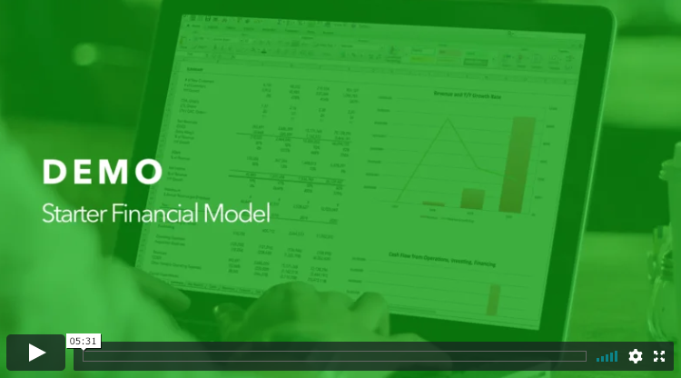
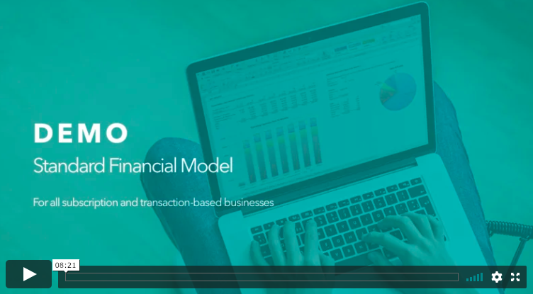

Foresight's Starter Financial Model | Foresight's Standard Financial Model

+ Adds consolidated financial statements, more detailed analyses of costs and cash flows. | + Adds consolidated financial statements, more detailed analyses of costs and cash flows, more detailed hiring plan, valuation, prebuilt structure for growth and revenue forecasting, and much more.
+ Easy upgrade path from the Runway Tool to the Starter Model | + Easy upgrade path from the Runway Tool to the Standard Model

https://foresight.is/starter-financial-model | https://foresight.is/standard-financial-model

Outline
OUTLINE

Sheet | What it Does

Read Me | Overview of model, goals, and how to use, with contact info and disclaimers.
Support | How to get support, learn more about how the model works, and contact Taylor.
Disclaimer | Legal disclaimer
Outline | Outline to the sheets in the model. I.e. this sheet.
Get Started | Model-wide assumptions. Use this sheet to add assumptions if you build in logic for your revenue model.
Key Reports | Charts and tables highlighting key results in the model. Runway and cash, key operating expenses, and Sources and Uses of funding are prebuilt by default, add in reports and charts to fit your exact business.
Forecast | Revenues, Cost Budget, burn detail, CAC, Cap Table, and more.
Changelog | Changelog of what's changed in each model version.

Here's how the model flows between the mix of operational and financial forecasts between the different sheets.

Core Financial Model

Core Inputs
Core Calculations
Presentation & Reporting

Get Started
(Model wide settings for dates and central assumptions.)
Forecast
(Revenues, SG&A, COGS, CAPEX, Debt, CAC, cash forecasting)
Key Reports
(Sources and Uses, Cost Budget, and more, with data and charts)

Critical. Contains key inputs used throughout model.
Required. Core of operating expenses calculations

Key Reports
RUNWAY, EXPENSES, AND SOURCES AND USES

BURN & RUNWAY

Year | 2019 | 2019 | 2019 | 2019 | 2019 | 2019 | 2020 | 2020 | 2020 | 2020 | 2020 | 2020 | 2020 | 2020 | 2020 | 2020 | 2020 | 2020 | 2021 | 2021 | 2021 | 2021 | 2021 | 2021 | 2021 | 2021 | 2021 | 2021 | 2021 | 2021 | 2022 | 2022 | 2022 | 2022 | 2022 | 2022
Date | Jul-19 | Aug-19 | Sep-19 | Oct-19 | Nov-19 | Dec-19 | Jan-20 | Feb-20 | Mar-20 | Apr-20 | May-20 | Jun-20 | Jul-20 | Aug-20 | Sep-20 | Oct-20 | Nov-20 | Dec-20 | Jan-21 | Feb-21 | Mar-21 | Apr-21 | May-21 | Jun-21 | Jul-21 | Aug-21 | Sep-21 | Oct-21 | Nov-21 | Dec-21 | Jan-22 | Feb-22 | Mar-22 | Apr-22 | May-22 | Jun-22
Month # | 1 | 2 | 3 | 4 | 5 | 6 | 7 | 8 | 9 | 10 | 11 | 12 | 13 | 14 | 15 | 16 | 17 | 18 | 19 | 20 | 21 | 22 | 23 | 24 | 25 | 26 | 27 | 28 | 29 | 30 | 31 | 32 | 33 | 34 | 35 | 36

Beginning Cash Balance | - | - | - | - | - | - | - | - | - | - | - | - | - | - | - | - | - | - | - | - | - | - | - | - | - | - | - | - | - | - | - | - | - | - | - | -
Ending Cash Balance | - | - | - | - | - | - | - | - | - | - | - | - | - | - | - | - | - | - | - | - | - | - | - | - | - | - | - | - | - | - | - | - | - | - | - | -

Net Burn | - | - | - | - | - | - | - | - | - | - | - | - | - | - | - | - | - | - | - | - | - | - | - | - | - | - | - | - | - | - | - | - | - | - | - | -
Net Burn (net negative)
Net Burn (net positive) | - | - | - | - | - | - | - | - | - | - | - | - | - | - | - | - | - | - | - | - | - | - | - | - | - | - | - | - | - | - | - | - | - | - | - | -
Breakeven runrate
Cash and Burnrate
 | Net Burn (net positive) | Net Burn (net negative) | Ending Cash Balance
Jul-19 | - | - | -
Aug-19 | - | - | -
Sep-19 | - | - | -
Oct-19 | - | - | -
Nov-19 | - | - | -
Dec-19 | - | - | -
Jan-20 | - | - | -
Feb-20 | - | - | -
Mar-20 | - | - | -
Apr-20 | - | - | -
May-20 | - | - | -
Jun-20 | - | - | -
Jul-20 | - | - | -
Aug-20 | - | - | -
Sep-20 | - | - | -
Oct-20 | - | - | -
Nov-20 | - | - | -
Dec-20 | - | - | -
Jan-21 | - | - | -
Feb-21 | - | - | -
Mar-21 | - | - | -
Apr-21 | - | - | -
May-21 | - | - | -
Jun-21 | - | - | -
Jul-21 | - | - | -
Aug-21 | - | - | -
Sep-21 | - | - | -
Oct-21 | - | - | -
Nov-21 | - | - | -
Dec-21 | - | - | -
Jan-22 | - | - | -
Feb-22 | - | - | -
Mar-22 | - | - | -
Apr-22 | - | - | -
May-22 | - | - | -
Jun-22 | - | - | -

 | Cash, end of first month |  | - |  | Average Monthly Burn (negative) |  |  | - |  | Breakeven runrate |  | 0

Thank you to Runway ( https://www.startuprunway.io ) for the inspiration for this chart.

Note: setting the multiple y-axis here takes a bit of manual work in setting the max/min of each y axis on the same ratio.
Because of the way Excel adjusts the multiple y axes, and because all companies using this model will have difference scales, fixing this is a little manual. |  |  |  |  |  |  |  |  |  |  | ymin(primary) | (200,000) | ymin(secondary) | (50,000)
Here's one way to do it, just do a bit of calculations - Ymin(pri)/Ymax(pri) = Ymin(sec)/Ymax(sec) - and set the scale manually inside the chart axis setup |  |  |  |  |  |  |  |  |  |  | ymax(primary) | 200,000 | ymax(secondary) | 50,000
Source: http://peltiertech.com/Excel/Charts/AlignXon2Ys.html

SUMMARIZED COST BUDGET

Cost Budget | Q3 2019 | Q4 2019 | Q1 2020 | Q2 2020 | Q3 2020 | Q4 2020 | Q1 2021 | Q2 2021 |  | 2019 | 2020 | 2021

Salaries and Benefits | - | - | - | - | - | - | - | - |  | - | - | -
Advertising & Marketing | - | - | - | - | - | - | - | - |  | - | - | -
Product & Materials | - | - | - | - | - | - | - | - |  | - | - | -
Legal and Accounting | - | - | - | - | - | - | - | - |  | - | - | -
Overhead | - | - | - | - | - | - | - | - |  | - | - | -
Total | - | - | - | - | - | - | - | - |  | - | - | -

Expenses, First 24 Months

SOURCES AND USES

Uses of Funds
Default is Sources and Uses for 1st Fundraising. Edit for your specific funding round and details. Note: the chart will display correctly once it has data to display.
Starting in month | 1
Fundraise for x months | 12 | months

Sources
External Funding | -
Total Sources | -

Uses | $ | %
Salaries and Benefits | - | 0%
Advertising & Marketing | - | 0%
Product & Materials | - | 0%
Legal and Accounting | - | 0%
Overhead | - | 0%
Total Uses | - | 0%

TRACTION & OWNERSHIP +

Year |  | 2019 | 2019 | 2019 | 2019 | 2019 | 2019 | 2020 | 2020 | 2020 | 2020 | 2020 | 2020 | 2020 | 2020 | 2020 | 2020 | 2020 | 2020 | 2021 | 2021 | 2021 | 2021 | 2021 | 2021 | 2021 | 2021 | 2021 | 2021 | 2021 | 2021 | 2022 | 2022 | 2022 | 2022 | 2022 | 2022 | 2022 | 2022 | 2022 | 2022 | 2022 | 2022 | 2023 | 2023 | 2023 | 2023 | 2023
Date |  | Jul-19 | Aug-19 | Sep-19 | Oct-19 | Nov-19 | Dec-19 | Jan-20 | Feb-20 | Mar-20 | Apr-20 | May-20 | Jun-20 | Jul-20 | Aug-20 | Sep-20 | Oct-20 | Nov-20 | Dec-20 | Jan-21 | Feb-21 | Mar-21 | Apr-21 | May-21 | Jun-21 | Jul-21 | Aug-21 | Sep-21 | Oct-21 | Nov-21 | Dec-21 | Jan-22 | Feb-22 | Mar-22 | Apr-22 | May-22 | Jun-22 | Jul-22 | Aug-22 | Sep-22 | Oct-22 | Nov-22 | Dec-22 | Jan-23 | Feb-23 | Mar-23 | Apr-23 | May-23
Month # |  | 1 | 2 | 3 | 4 | 5 | 6 | 7 | 8 | 9 | 10 | 11 | 12 | 13 | 14 | 15 | 16 | 17 | 18 | 19 | 20 | 21 | 22 | 23 | 24 | 25 | 26 | 27 | 28 | 29 | 30 | 31 | 32 | 33 | 34 | 35 | 36 | 37 | 38 | 39 | 40 | 41 | 42 | 43 | 44 | 45 | 46 | 47

Options for Traction Metrics
Revenues | pulled from revenues on Forecast sheet | - | - | - | - | - | - | - | - | - | - | - | - | - | - | - | - | - | - | - | - | - | - | - | - | - | - | - | - | - | - | - | - | - | - | - | - | - | - | - | - | - | - | - | - | - | - | -
Traction Metric defined by User | Optional: Define your key traction metrics: MRR, subscribers, orders, clients, any metric that is relevant to justifying your traction that you want to forecast here. | - | - | - | - | - | - | - | - | - | - | - | - | - | - | - | - | - | - | - | - | - | - | - | - | - | - | - | - | - | - | - | - | - | - | - | - | - | - | - | - | - | - | - | - | - | - | -
Traction Metric defined by User | Optional: Define your key traction metrics: MRR, subscribers, orders, clients, any metric that is relevant to justifying your traction that you want to forecast here. | - | - | - | - | - | - | - | - | - | - | - | - | - | - | - | - | - | - | - | - | - | - | - | - | - | - | - | - | - | - | - | - | - | - | - | - | - | - | - | - | - | - | - | - | - | - | -

Metrics in chart below
Revenues | use the dropdown to select the metric to display | - | - | - | - | - | - | - | - | - | - | - | - | - | - | - | - | - | - | - | - | - | - | - | - | - | - | - | - | - | - | - | - | - | - | - | - | - | - | - | - | - | - | - | - | - | - | -
Ownership % | pulled from revenues on Forecast sheet | 100% | 100% | 100% | 100% | 100% | 100% | 100% | 100% | 100% | 100% | 100% | 100% | 100% | 100% | 100% | 100% | 100% | 100% | 100% | 100% | 100% | 100% | 100% | 100% | 100% | 100% | 100% | 100% | 100% | 100% | 100% | 100% | 100% | 100% | 100% | 100% | 100% | 100% | 100% | 100% | 100% | 100% | 100% | 100% | 100% | 100% | 100%
Cash on Hand, end of period | pulled from revenues on Forecast sheet | - | - | - | - | - | - | - | - | - | - | - | - | - | - | - | - | - | - | - | - | - | - | - | - | - | - | - | - | - | - | - | - | - | - | - | - | - | - | - | - | - | - | - | - | - | - | -

Traction and Ownership

This was inspired by Thomas Korte of AngelPad (https://angelpad.org), thank you to Thomas for the idea.

Impact
IMPACT |  | In Partnership with Venture Better: https://venturebetter.org/

HOW TO USE THIS
This impact sheet is designed to help you think through how your business relates to the impact it has.
In the sections below you are invited to think through the impact your business has and identify what drives it.
For each metric you can also model how that impact may change over time.
In the final section, you will find some basic charts that help you explore the relationship between your business, its impacts, and your priorities.
Please note that in this sheet, we use the word impact to describe the broad range of outputs, outcomes, and impact.
What matters here is that you explore the relationship between your business activities and the rest of the world, however you understand it.
Need ideas for metrics? Check out IRIS: https://iris.thegiin.org/metrics/ and SDGs: https://unstats.un.org/sdgs/metadata/
For additional resources on understanding impact in venture, please visit: venturebetter.org/resources

Source Metrics + |  |  |  |  |  |  | Use this section to choose the source metrics to be used to calculate the impact metrics.
 |  |  |  |  |  |  | You can set the impact metrics to use any of the source metrics from the model, or you can input your own source metrics.
Year |  | 2019 | 2020 | 2021 | 2022 |  | Once you input your own source metric, then it will become available for selection for any of the impact metrics.
Revenue 1 | # | - | - | - | -
Revenue 2 | # | - | - | - | -
Revenue 3 | # | - | - | - | -
Total Revenues | # | - | - | - | -
Salaries and Benefits | # | - | - | - | -
Advertising & Marketing | # | - | - | - | -
Product & Materials | # | - | - | - | -
Legal and Accounting | # | - | - | - | -
Overhead | # | - | - | - | -
Create your own metric | # | - | - | - | -
Create your own metric | # | - | - | - | -
Create your own metric | # | - | - | - | -
Create your own metric | # | - | - | - | -
Create your own metric | # | - | - | - | -
Create your own metric | # | - | - | - | -
Create your own metric | # | - | - | - | -
Create your own metric | # | - | - | - | -
Create your own metric | # | - | - | - | -

Establishing Impact Metrics +

Impact Metric |  | Metric
Source Metric |  | Create your own metric

 |  | 2019 | 2020 | 2021 | 2022 | Total
Source Metric | # | - | - | - | - | -
Conversion Factor | # | - | - | - | - | -
Annual Impact | # | - | - | - | - | -

Description of metric, context about the metric reporting, inputs and outcomes

Impact Metric |  | Metric
Source Metric |  | Create your own metric

 |  | 2019 | 2020 | 2021 | 2022 | Total
Source Metric | # | - | - | - | - | -
Conversion Factor | # | - | - | - | - | -
Annual Impact | # | - | - | - | - | -

Description of metric, context about the metric reporting, inputs and outcomes

Impact Metric |  | Metric
Source Metric |  | Create your own metric

 |  | 2019 | 2020 | 2021 | 2022 | Total
Source Metric | # | - | - | - | - | -
Conversion Factor | # | - | - | - | - | -
Annual Impact | # | - | - | - | - | -

Description of metric, context about the metric reporting, inputs and outcomes

Impact Metric |  | Metric
Source Metric |  | Create your own metric

 |  | 2019 | 2020 | 2021 | 2022 | Total
Source Metric | # | - | - | - | - | -
Conversion Factor | # | - | - | - | - | -
Annual Impact | # | - | - | - | - | -

Description of metric, context about the metric reporting, inputs and outcomes

Impact Metric |  | Metric
Source Metric |  | Create your own metric

 |  | 2019 | 2020 | 2021 | 2022 | Total
Source Metric | # | - | - | - | - | -
Conversion Factor | # | - | - | - | - | -
Annual Impact | # | - | - | - | - | -

Description of metric, context about the metric reporting, inputs and outcomes

Annual Impact (Log scale to normalize impact values for comparison)

